data
x_axis | y_axis
1953 | 0.45994065282
1954 | -0.16320474777
1955 | 0.3412462908
1956 | 0.54896142433
1957 | 1.6765578635
1958 | -0.10385756677
1959 | 0.22255192878
1960 | -0.57863501484
1961 | -0.25222551929
1962 | -1.1424332344
1963 | -3.8029673591
1964 | 0.044510385757
1965 | -0.074183976261
1966 | 0.28189910979
1967 | -0.63798219585
1968 | -0.10385756677
1969 | 0.074183976261
1970 | 0.044510385757
1971 | 0.16320474777
1972 | 1.2908011869
1973 | 0.43026706231
1974 | 0.81602373887
1975 | 1.587537092
1976 | -0.78635014837
1977 | -0.13353115727
1978 | 0.51928783383
1979 | 0.3412462908
1980 | -0.044510385757
1981 | 0.87537091988
1982 | 1.7359050445
1983 | 1.706231454
1984 | 0.45994065282
1985 | 0.3412462908
1986 | 0.75667655786
1987 | 0.90504451039
1988 | 0.40059347181
1989 | 1.3204747774
1990 | -0.074183976261
1991 | 0.60830860534
1992 | 1.9139465875
1993 | -0.014836795252
1994 | -1.1721068249
1995 | -0.22255192878
1996 | 0.3115727003
1997 | 0.51928783383
1998 | 0.51928783383
1999 | 0.45994065282
2000 | 0.75667655786
2001 | -0.10385756677
2002 | 0.014836795252
2003 | -0.16320474777
2004 | 0.074183976261
2005 | 0.40059347181
2006 | 0.3412462908
2007 | -0.014836795252
2008 | -0.044510385757
2009 | -0.3115727003
2010 | -0.66765578635
2011 | -0.22255192878
2012 | 0.66765578635
2013 | 1.409495549
2014 | 1.2017804154
2015 | 0.90504451039
2016 | 0.72700296736
2017 | -0.81602373887
2018 | -5

picture
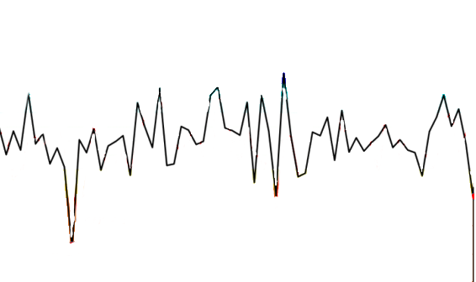

picture_original
